Sheet1
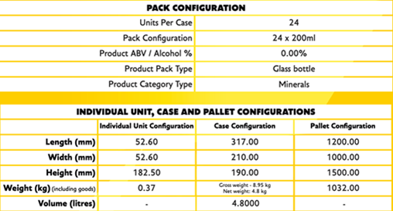
LIXIR TONIC WATER

Full product description | Product Code | BBE Date | Use By Date | Language on Packaging | RRP per Unit | Unit size/weight | Units available | Units per case | Cases per pallet | No of Cases | No of pallets | Inner Barcode | Outer Barcode | Restrictions (Channel, Retailer, Country)
Lixir Elderflower & Lemon | LIX20024EL | 2023-11-08 | 2023-11-08 | English | £1.50 | 200ml | 37632 | 24 | 112 | 1568 | 14 | 5060573610032 | 15060573610039 | Can not be sold in the UK , Ireland , Belgium, Estonia, Sweden & Malta | Ingredients: Water, Fructose, Acid: Citric Acid, Natural Flavourings including Quinine. Nutritional Facts: Average per 100ml Energy: 87kJ, 21kcal; Total Fat: 0g of which saturates: 0g; Carbohydrate: 4.8g of which sugars: 4.8g; Protein: 0g; Salt: 0g.
Lixir Elderflower & Lemon | LIX20024EL | 2023-12-15 | 2023-12-15 | English | £1.50 | 200ml | 23808 | 24 | 112 | 992 | 8.8571428571 | 5060573610032 | 15060573610039 | Can not be sold in the UK , Ireland , Belgium, Estonia, Sweden & Malta
Lixir Elderflower & Lemon | LIX20024EL | 2023-08-17 | 2023-08-17 | English | £1.50 | 200ml | 768 | 24 | 112 | 32 | 0.28571428571 | 5060573610032 | 15060573610039 | Can not be sold in the UK , Ireland , Belgium, Estonia, Sweden & Malta
Lixir Rhubarb & Ginger | LIX20024RG | 2023-08-07 | 2023-08-07 | English | £1.50 | 200ml | 23976 | 24 | 112 | 999 | 8.9196428571 | 5060573610025 | 15060573610022 | Can not be sold in the UK , Ireland , Belgium, Estonia, Sweden & Malta | Ingredients: Water, Fructose, Acid: Citric Acid, Natural Flavourings including Quinine. Nutritional Facts: Average per 100ml Energy: 93kJ, 22kcal; Total Fat: 0g of which saturates: 0g; Carbohydrate: 4.9g of which sugars: 4.9g; Protein: 0g; Salt: 0g.
Lixir Rhubarb & Ginger | LIX20024RG | 2023-11-17 | 2023-11-17 | English | £1.50 | 200ml | 17856 | 24 | 112 | 744 | 6.6428571429 | 5060573610025 | 15060573610022 | Can not be sold in the UK , Ireland , Belgium, Estonia, Sweden & Malta
Lixir Rhubarb & Ginger | LIX20024RG | 2023-12-16 | 2023-12-16 | English | £1.50 | 200ml | 10752 | 24 | 112 | 448 | 4 | 5060573610025 | 15060573610022 | Can not be sold in the UK , Ireland , Belgium, Estonia, Sweden & Malta
Lixir Blood Orange & Cinnamon | LIX20024BOC | 2023-08-22 | 2023-08-22 | English | £1.50 | 200ml | 7704 | 24 | 112 | 321 | 2.8660714286 | 5060573610049 | 15060573610046 | Can not be sold in the UK , Ireland , Belgium, Estonia, Sweden & Malta | Ingredients: Water, Fructose, Acid: Citric Acid, Natural Flavourings including Quinine. Nutritional Facts: Average per 100ml Energy: 91kJ, 21kcal; Total Fat: 0g of which saturates: 0g; Carbohydrate: 4.9g of which sugars: 4.9g; Protein: 0g; Salt: 0g.
Lixir Blood Orange & Cinnamon | LIX20024BOC | 2024-02-07 | 2024-02-07 | English | £1.50 | 200ml | 10752 | 24 | 112 | 448 | 4 | 5060573610049 | 15060573610046 | Can not be sold in the UK , Ireland , Belgium, Estonia, Sweden & Malta
Lixir Blood Orange & Cinnamon | LIX20024BOC | 2024-04-16 | 2024-04-16 | English | £1.50 | 200ml | 23160 | 24 | 112 | 965 | 8.6160714286 | 5060573610049 | 15060573610046 | Can not be sold in the UK , Ireland , Belgium, Estonia, Sweden & Malta
Lixir Pink Grapefruit | LIX20024PG | 2023-08-10 | 2023-08-10 | English | £1.50 | 200ml | 3504 | 24 | 112 | 146 | 1.3035714286 | 5060573610094 | 15060573610091 | Can not be sold in the UK , Ireland , Belgium, Estonia, Sweden & Malta | Ingredients: Water, Fructose, Acid: Citric Acid, Natural Flavourings including Quinine. Nutritional Facts: Average per 100ml Energy: 91kJ, 21kcal; Total Fat: 0g of which saturates: 0g; Carbohydrate: 4.9g of which sugars: 4.9g; Protein: 0g; Salt: 0g.
Lixir Pink Grapefruit | LIX20024PG | 2023-11-09 | 2023-11-09 | English | £1.50 | 200ml | 2688 | 24 | 112 | 112 | 1 | 5060573610094 | 15060573610091 | Can not be sold in the UK , Ireland , Belgium, Estonia, Sweden & Malta
Lixir Pink Grapefruit | LIX20024PG | 2024-04-16 | 2024-04-16 | English | £1.50 | 200ml | 18816 | 24 | 112 | 784 | 7 | 5060573610094 | 15060573610091 | Can not be sold in the UK , Ireland , Belgium, Estonia, Sweden & Malta
Lixir Soda Water | LIX20024SO | 2023-12-14 | 2023-12-14 | English | £1.50 | 200ml | 9408 | 24 | 112 | 392 | 3.5 | 5060573610087 | 15060573610084 | Can not be sold in the UK , Ireland , Belgium, Estonia, Sweden & Malta | Ingredients: Water, Bicarbonate of Soda. Nutritional Facts: Average per 100ml Energy: 0kJ, 0kcal; Total Fat: 0g of which saturates: 0g; Carbohydrate: 0g of which sugars: 0g; Protein: 0g; Salt: 0g.
Lixir Soda Water | LIX20024SO | 2024-02-06 | 2024-02-06 | English | £1.50 | 200ml | 13440 | 24 | 112 | 560 | 5 | 5060573610087 | 15060573610084 | Can not be sold in the UK , Ireland , Belgium, Estonia, Sweden & Malta
Lixir Ginger Ale | LIX20024GA | 2023-11-09 | 2023-11-09 | English | £1.50 | 200ml | 2592 | 24 | 112 | 108 | 0.96428571429 | 5060573610063 | 15060573610060 | Can not be sold in the UK , Ireland , Belgium, Estonia, Sweden & Malta | Ingredients: Water, Fructose, Acid: Citric Acid, Natural Ginger Flavouring with other Natural Flavourings, Caramel. Nutritional Facts: Average per 100ml Energy: 90kJ, 21kcal; Total Fat: 0g of which saturates: 0g; Carbohydrate: 4.8g of which sugars: 4.8g; Protein: 0g; Salt: 0g.
Lixir Ginger Ale | LIX20024GA | 2024-02-07 | 2024-02-07 | English | £1.50 | 200ml | 13440 | 24 | 112 | 560 | 5 | 5060573610063 | 15060573610060 | Can not be sold in the UK , Ireland , Belgium, Estonia, Sweden & Malta
Lixir Ginger Ale | LIX20024GA | 2024-04-17 | 2024-04-17 | English | £1.50 | 200ml | 12072 | 24 | 112 | 503 | 4.4910714286 | 5060573610063 | 15060573610060 | Can not be sold in the UK , Ireland , Belgium, Estonia, Sweden & Malta
Lixir Ginger Beer | LIX20024GB | 2023-08-22 | 2023-08-22 | English | £1.50 | 200ml | 0 | 24 | 112 | 0 | 0 | 5060573610070 | 15060573610077 | Can not be sold in the UK , Ireland , Belgium, Estonia, Sweden & Malta | Ingredients: Water, Fructose, Acid: Citric Acid, Natural Ginger Flavouring with other Natural Flavourings. Nutritional Facts: Average per 100ml Energy: 92kJ, 22kcal; Total Fat: 0g of which saturates: 0g; Carbohydrate: 4.8g of which sugars: 4.8g; Protein: 0g; Salt: 0g.
Lixir Ginger Beer | LIX20024GB | 2023-11-20 | 2023-11-20 | English | £1.50 | 200ml | 11616 | 24 | 112 | 484 | 4.3214285714 | 5060573610070 | 15060573610077 | Can not be sold in the UK , Ireland , Belgium, Estonia, Sweden & Malta
Lixir Ginger Beer | LIX20024GB | 2024-02-07 | 2024-02-07 | English | £1.50 | 200ml | 11688 | 24 | 112 | 487 | 4.3482142857 | 5060573610070 | 15060573610077 | Can not be sold in the UK , Ireland , Belgium, Estonia, Sweden & Malta
Total |  |  |  |  |  |  | 255672 |  |  |  | 95.116071429

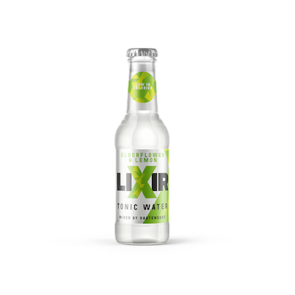
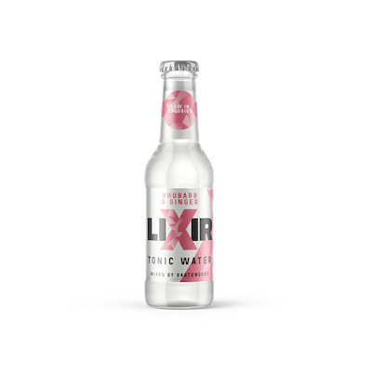
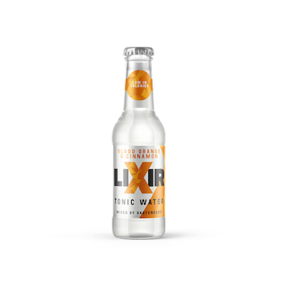
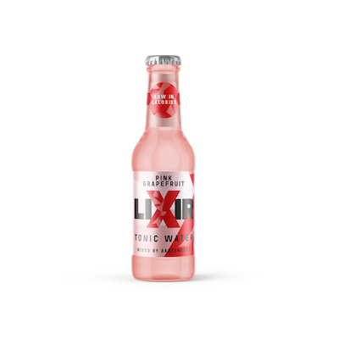
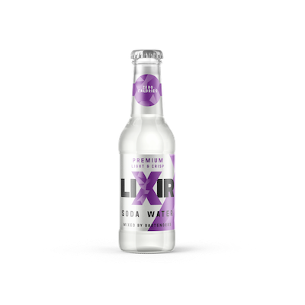
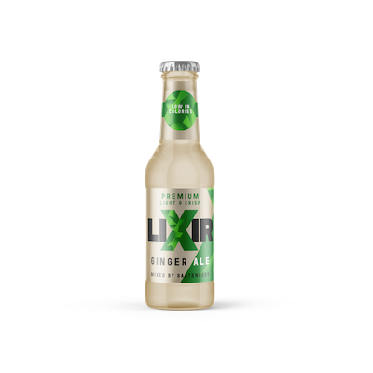
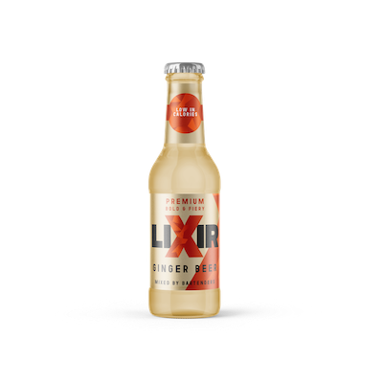
TARIC (HS)codes : | Tonics, Ginger Ale & Ginger Beer |  | 22021000
 | Soda water |  | 2722019000

